Solution 1
Step 1. Establish a Null & Alternative Hypothesis
Null Hypothesis: About 5% of the Nation's children had autism
Alternate Hypothesis: More than 5% of the Nation's children has autism.

H0 : P = 0.05
Ha : P > 0.05
This is one tailed test because hypothesis is being tested in one end of the experiment.

Step 2. Determine the appropriate statistical test.
Since the study involves sample of 384 children and found that 46 showed signs of autism, sample is more than 30 and hence z-test need to be performed.

Step 3. Set the value of alpha, the Type I error rate.
Significance value is not given, by default α = 5%.
α = 0.05

Step 4. Establish the decision rule.
For Z-critical:
Z-critical < Z-score; Reject the null hypothesis
For P-Values:
P-value < Significance value; Reject the null hypothesis

Step 5. Gather sample data.
384 children were examined and found that 46 showed signs of autism.

Step 6. Analyze the data.
Z-score is calculated using below formula
$$z=\frac{\hat{p}−p}{\sqrt{\frac{pq}{n}}}$$

P̂ = 46/384 = | 0.11
P = | 0.05
n= | 384
q = 1-P= | 0.95
Z= | 5.45
From the table Zc value for α = 0.05 is | 1.64

Step 7. Reach a statistical conclusion.
Since the Zscore is greater than Zcritical. Z = 6.275 > Zc = 1.645
The null hypothesis is rejected & the alternate hypothesis is accepted.

Step 8. Make a business decision.
It is concluded that more than 5% of the nation's children has autism due to certain chemicals increased in the environment.

From the graph it is observed that actual p-value calcutaed is 0.0001 which is very less compared to the significance value 0.05 & Hence the null hypothesis is rejected and the alternate hypothesis is accepted.

Solution 2
Step 1. Establish a null and alternative hypothesis
Null Hypothesis: 20% of the entire fleet are out of compliance.
Alternate Hypothesis: More than 20% of the entire fleet are out of compliance.

H0 : P = 0.2
Ha : P > 0.2
This is an one tailed test because hypothesis needed to be done for one end of the experiment.

Step 2. Determine the appropriate statistical test.
The population proportion is given so the z-test need to be performed.

Step 3. Set the value of alpha, the Type I error rate.
Significant level at 5%
consider α = 10%, α = 0.1.

Step 4. Establish the decision rule.
For Z-critical:
Z-critical < Z-score; Reject the null hypothesis.
For P-Values:
P-value < Significance value; Reject the null hypothesis.

Step 5. Gather sample data.
The fleet of 150 cars found that the emission system of 7 out of the 22 cars tested failed to meet pollution guidelines.

Step 6. Analyze the data.
Z-score is calculated using below formula
$$z=\frac{\hat{p}−p}{\sqrt{\frac{pq}{n}}}$$

P̂ = 7/22 = | 0.32
P = | 0.2
n= | 22
q = 1-P= | 0.8
Z= | 1.41
From the table Zc value for α = 0.1 is | 1.28
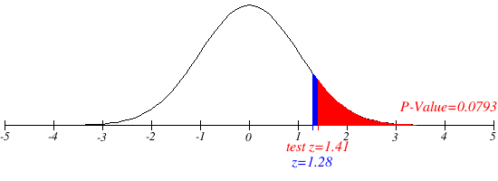
Step 7. Reach a statistical conclusion.
Since the Zcritical is lesser than Zscore. Zc = 1.28 < Zs = 1.41
The null hypothesis is rejected & the alternate hypothesis is accepted.

Step 8. Make a business decision.
It is concluded that more than 20% of the entire fleet of cars are out of compliance with respect to pollution guidelines.

From the graph it is observed that actual p-value calcutaed is 0.0793 which is less compared to the significance value 0.1 & Hence the null hypothesis is rejected and the alternate hypothesis is accepted.

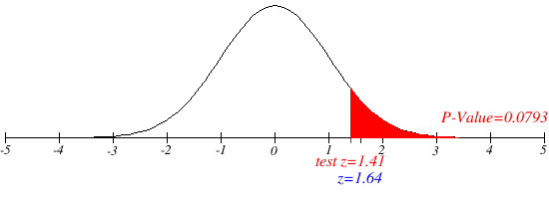
Significant level at 5%
consider α = 5%, α = 0.05
then Zc = 1.64

Since the Zcritical is greater than Zscore. Zc = 1.64 > Zs = 1.41
The null hypothesis is NOT rejected.

From the graph it is observed that actual p-value calcutaed is 0.0793 which is less compared to the significance value 0.05 & hence the null hypothesis is not rejected.

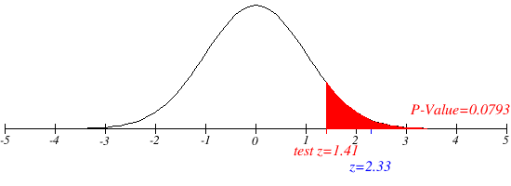
Significant level at 1%
consider α = 1%, α = 0.01
then Zc = 2.33

Since the Zcritical is greater than Zscore. Zc = 2.33 > Zs = 1.41
The null hypothesis is NOT rejected.

From the graph it is observed that actual p-value calcutaed is 0.0793 which is less compared to the significance value 0.01 & hence the null hypothesis is not rejected.

Solution 3
Step 1. Establish a null and alternative hypothesis
Null Hypothesis: 44% of the adult population had never smoked.
Alternate Hypothesis: More than 44% of the adult population had never smoked.

H0 : P = 0.44
Ha : P > 0.44
This is an one tailed test because hypothesis is being tested in an only one end.

Step 2. Determine the appropriate statistical test.
The population proportion is given so the z-test need to be performed.

Step 3. Set the value of alpha, the Type I error rate.
Significant level at 2%
α = 2%, α = 0.02

Step 4. Establish the decision rule.
For Z-critical:
Z-critical < Z-score; Reject the null hypothesis.
For P-Values:
P-value < Significance value; Reject the null hypothesis.

Step 5. Gather sample data.
A national random sample of 891 adults were interviewed and 463 stated that they had never smoked.

Step 6. Analyze the data.
Z-score is calculated using below formula
$$z=\frac{\hat{p}−p}{\sqrt{\frac{pq}{n}}}$$

P̂ = 463/891 = | 0.52
P = | 0.44
n= | 891
q = 1-P= | 0.56
Z= | 4.79
From the table Zc value for α = 0.02 is | 2.05

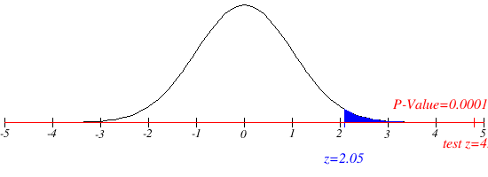
Step 7. Reach a statistical conclusion.
Since the Zcriticial is lesser than Zscore, Zc = 2.05 < Zs = 4.78
The null hypothesis is rejected & the alternate hypothesis is accepted.

Step 8. Make a business decision.
It is concluded that more than 44% of the adult population has never smoked.

From the graph it is observed that actual p-value calcutaed is 0.0001 which is less compared to the significance value 0.02 & hence the null hypothesis is rejected.

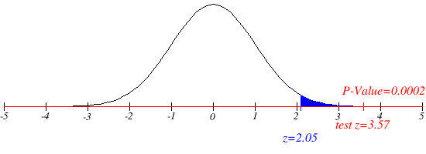
P=0.46
P̂ = 463/891 = | 0.52
P = | 0.46
n= | 891
q = 1-P= | 0.54
Z= | 3.57
From the table Zc value for α = 0.02 is | 2.05

Since Zcritical Is lesser than Zscore, Zc = 2.05 < Zs=3.57
The null hypothesis is rejected & the alternate hypothesis is accepted.

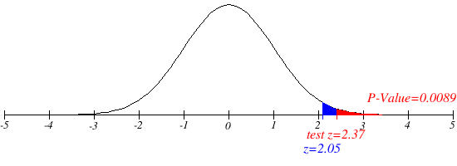
P=0.48
P̂ = 463/891 = | 0.52
P = | 0.48
n= | 891
q = 1-P= | 0.52
Z= | 2.37
From the table Zc value for α = 0.02 is | 2.05

Since Zcritical Is lesser than Zscore, Zc = 2.05 < Zs=2.37
The null hypothesis is rejected & the alternate hypothesis is accepted.

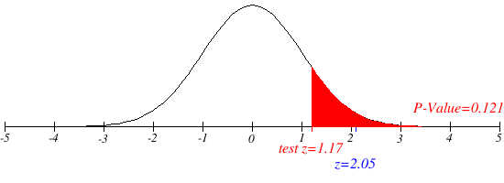
P=0.5
P̂ = 463/891 = | 0.52
P = | 0.5
n= | 891
q = 1-P= | 0.5
Z= | 1.17
From the table Zc value for α = 0.02 is | 2.05

Since the Zcrtitical is greater than Zscore, Zc = 2.05 > Zs = 1.17
The null hypothesis is NOT rejected.

P=0.52
P̂ = 463/891 = | 0.52
P = | 0.52
n= | 891
q = 1-P= | 0.48
Z= | -0.02
From the table Zc value for α = 0.02 is | 2.05

Since the Zcrtitical is greater than Zscore, Zc = 2.05 > Zs = -0.02
The null hypothesis is NOT rejected.

Solution 4
Step 1. Establish a null and alternative hypothesis
Null Hypothesis: Distance from the lens to the object and distance from the lens to the real image are same.
Alternate Hypothesis: Distance from the lens to the object and distance from the lens to the real image are not same.

H0: µa= µb
H1: µa≠ µb
This is two tailed test because hypothesis we are gonna do is both end.

Step 2. Determine the appropriate statistical test.
The standard deviation is given, so we do the Z-test.

Step 3. Set the value of alpha, the Type I error rate.
Significance value: α = 10%, α = 0.1.

Step 4. Establish the decision rule.
For Z-critical:
Z-critical < Z-score; Reject the null hypothesis.
For P-Values:
P-value < Significance value; Reject the null hypothesis.

Step 5. Gather sample data.
The distances s1 and s2 are each independently measured 25 times. S̅1 = 26.6 centimeters & S̅2 = 13.8 centimeters. The standard deviation is 0.1cm for s1 and 0.5cm for s2.

Step 6. Analyze the data.
Z-score is calculated using below formula

S̅1= | 26.6
S̅2= | 13.8
n1= | 25
n2= | 25
σ1= | 0.1
σ2= | 0.5
Z= | 125.51
Zc at 0.1 for two tailed test from z table is | 1.64

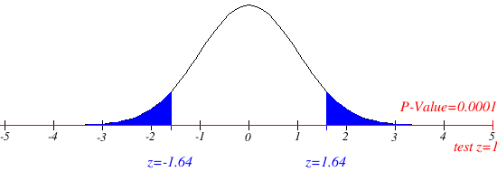
Step 7. Reach a statistical conclusion.
Since Zcritical is lesser than Zscore, Zc = 1.64 < |Z|s = 125.51.
The null hypothesis is rejected & the alternate hypothesis is accepted.

Step 8. Make a business decision.
So, the conclusion is Distance from the lens to the object and distance from the lens to the real image are different.

From the graph it is observed that actual p-value calcutaed is 0.0001 which is less compared to the significance value 0.1 & Hence the null hypothesis is rejected and accept the alternate hypothesis.

Solution 5
Step 1. Establish a null and alternative hypothesis
Null Hypothesis: Body temperature of healthy adults is 98.6 degree Fahrenheit.
Alternate Hypothesis: Body temperature of healthy adults is not equal to 98.6 degree Fahrenheit.

H0: µa= 98.6 degree F
H1: µa≠ 98.6 degree F
This is two tailed test because hypothesis is tested in both ends.

Step 2. Determine the appropriate statistical test.
The given data is normally distributed, so t-test is selected.

Step 3. Set the value of alpha, the Type I error rate.
Significance level is α = 2%, α = 0.02.

Step 4. Establish the decision rule.
For t-critical:
t-critical < t-score; Reject the null hypothesis.
For P-Values:
P-value < Significance value; Reject the null hypothesis.

Step 5. Gather sample data.
n = 52; x̄ = 98.2846, s = 0:6824.

Step 6. Analyze the data.
t-score is calculated using below formula

µo = | 98.6
x̄ = | 98.2846
n= | 52
s = | 0.6824
t= | -3.333
tc at 0.02 for two tailed test from t table is | 2.402

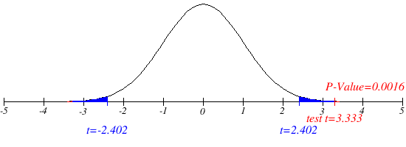
Step 7. Reach a statistical conclusion.
Since t-critical is lesser than t-score, tc = 2.402 < |t|s = 3.333
The null hypothesis is rejected & the alternate hypothesis is accepted.

Step 8. Make a business decision.
It is concluded that the Body temperature of the healthy adults is not equal to 98.6 degree Fahrenheit.

From the graph it is observed that actual p-value calcutaed is 0.0016 which is less compared to the significance value 0.02 & hence the null hypothesis is rejected and accept the alternate hypothesis.

Solution 6
Step 1. Establish a null and alternative hypothesis
Null Hypothesis: There is NO difference in mileage using regular or premium gas for a car.
Alternate Hypothesis: There is a difference in mileage using the regular or premium gas for a car.

H0: µa = µb
H1: µa≠ µb
This is two tailed test because hypothesis is being tested In both ends.

Step 2. Determine the appropriate statistical test.
The given data is normally distributed so, t-test is selected.

Step 3. Set the value of alpha, the Type I error rate.
Significance value: α = 5%, α = 0.05.

Step 4. Establish the decision rule.
For t-critical:
t-critical < t-score; Reject the null hypothesis.
For P-Values:
P-value < Significance value; Reject the null hypothesis.

Step 5. Gather sample data.
Data for 10 cars mileae is given in the the tabular column in the Question 6. |  | t-Test: Two-Sample Assuming Unequal Variances
Step 6. Analyze the data.
The data for t-score is analysed using data analysis feature of xls. |  |  | REGULAR | PREMIUM
 |  | Mean | 23.1 | 25.1
µa = | 23.1 | Variance | 13.877777778 | 11.877777778
S1 = | 3.72 | Observations | 10 | 10
n= | 10 | Hypothesized Mean Difference | 0
µa = | 25.1 | df | 18
S2= | 3.44 | t Stat | -1.2462194772
n= | 10 | P(T<=t) one-tail | 0.1143299243
 |  | t Critical one-tail | 1.7340636066
Assuming unequal variances, degree of freedom is calcualted as below |  | P(T<=t) two-tail | 0.22865984861
 |  | t Critical two-tail | 2.1009220402
 |  | Standard Deviation | 3.7252889523 | 3.4464152068
df= | 18

statistical t value is calculated using formula given below

t= | -1.25

The critical value for t-test for α = 0.05 and df = 17.891 is, tc= | 2.102

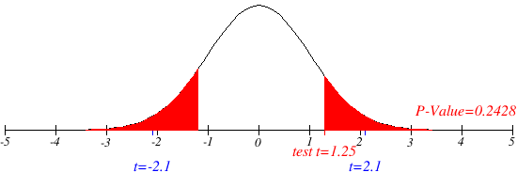
Step 7. Reach a statistical conclusion.
Since the t-critical is greater than t-score, tc = 2.10 > |t|s = 1.25
The null hypothesis is NOT rejected.

Step 8. Make a business decision.
Thus the conclusion is that mileage is same using the regular or premium gas for a car.

From the graph it is observed that actual p-value calcutaed is 0.2428 which is greater than significance value 0.05 & Hence the null hypothesis is not rejected.

Solution 7
Step 1. Establish a null and alternative hypothesis
Null Hypothesis: Sugar content of several national brands of cereals for adult and children are same.
Alternate Hypothesis: Sugar content of several national brands of cereals for adult and children are not same.

H0: µa = µb
H1: µa≠ µb
This is two tailed test because hypothesis is being tested In both ends.

Step 2. Determine the appropriate statistical test.
The given data is normally distributed so, t-test is selected.

Step 3. Set the value of alpha, the Type I error rate.
Significance value: α = 5%, α = 0.05.

Step 4. Establish the decision rule.
For t-critical:
t-critical < t-score; Reject the null hypothesis.
For P-Values:
P-value < Significance value; Reject the null hypothesis.

Step 5. Gather sample data.
Data for sugar content level measured in different brands of cereals for children and adult is given in the tabular column in the Question 7.

Step 6. Analyze the data.
The data for t-score is analysed using data analysis feature of xls. |  | t-Test: Two-Sample Assuming Unequal Variances

µa = | 46.8 |  | CHILDREN | ADULT
S1 | 6.42 | Mean | 46.8 | 10.168965517
n= | 19 | Variance | 41.195555556 | 55.885788177
µb = | 10.17 | Observations | 19 | 29
S2 = | 7.48 | Hypothesized Mean Difference | 0
n= | 29 | df | 43
 |  | t Stat | 18.10119344
Assuming unequal variances, degree of freedom is calcualted as below |  | P(T<=t) one-tail | 4.9423653213E-22
 |  | t Critical one-tail | 1.6810707032
 |  | P(T<=t) two-tail | 9.8847306426E-22
df= | 43 | t Critical two-tail | 2.0166921992
 |  | Standard Deviation | 6.4183763956 | 7.4756797803

statistical t value is calculated using formula given below

t= | 18.101

The critical value for t-test for α = 0.05 and df = 43 is, tc= | 2.016

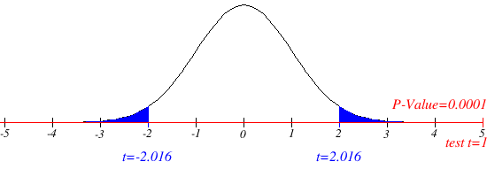
Step 7. Reach a statistical conclusion.
Since the t-critical is lesser than t-score, tc = 2.016 < |t| = 18.101
The null hypothesis is rejected & the alternate hypothesis is accepted.

Step 8. Make a business decision.
Thus the conclusion is that there is a difference in mileage using the regular or premium gas for a car.

From the graph it is observed that actual p-value calcutaed is 0.0001 which is smaller than significance value 0.05 & Hence the null hypothesis is rejected and the alternate hypothesis is accepted.

